Instructions
Informed™ Assessment

 |  |  |  | Color Ranking
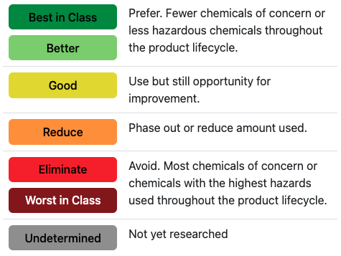
 | Use this document in conjunction with the Informed Explorer tool. Informed uses a color ranking system to indicate the relative hazard of different product types found across product categories.

 | The Informed Asssessment form helps you visualize the material health performance of your project(s) both at the project and CSI Division levels.

 | General Instructions

 | 1. Complete the Project Information below.

 | 2. Use the PRE Assessment tab (blue tab with the prefix "PRE") to enter the products being considered, specified, or installed in your project.

 | 3. Use the POST Assessment tab (green tab with the prefix "POST") to see how changes to the product choices entered in the PRE Assessment TAB impact your project's performance, or enter data from a different project to compare their performance.

 | 4. Use the Dashboard tab (dark blue tab) to visualize your project's performance based on the data entered in the PRE Assessment and/or POST Assessment tabs.

 | Special Instructions for WELL Residential Rating users

 | 1. Use the PRE Assessment tab to enter your early product choices i.e., the products being considered during the early stages of building design (e.g., design charrette or early schematic design).

 | 2. Fill out the questions in the PRE Findings tab (blue tab with the prefix "PRE").

 | 3. Use the POST Assessment tab to enter the products installed in your project. You will have to meet the verification method indicated under Materials, X02 New Materials Section, Part 1.

 | 4. Fill out the questions in the POST Findings tab (green tab with the prefix "POST").

Project Information

 | Project Name
 | Project Owner
 | Developer
 | Architect
 | Contractor
 | Interior Designer
 | Sustainability Consultant
 | Other project team members

 | City
 | State (select from dropdown) |  |  |  |  | ∇
 | Building Typology (select from dropdown) |  |  |  |  | ∇
 | No. of dwelling units (If Multifamily-Residential)
 | Project Type (select from dropdown) |  |  |  |  | ∇
 | Project Area |  | Area |  | Unit | ∇
 | Gross Building Area |  | Area |  | Unit | ∇
 | Date (Project Completion or Handover)

The Informed Assessment form is © 2023 HEALTHY BUILDING NETWORK
MasterFormat numbers and titles are © 2023 The Construction Specifications Institute, Inc. (CSI). The trademark MASTERFORMAT® and the copyrighted MasterFormat work are used under license (http://www.csinet.org)

Building typology |  | States
Single-family residential |  | AL : Alabama
Multi-family residential |  | AK : Alaska
Office |  | AZ : Arizona
Retail |  | AR : Arkansas
Healthcare |  | CA : California
Industrial |  | CO : Colorado
Educational |  | CT : Connecticut
Government |  | DE : Delaware
Institution |  | FL : Florida
Recreational |  | GA : Georgia
Mixed-use |  | HI : Hawaii
 |  | ID : Idaho
Project type |  | IL : Illinois
New construction |  | IN : Indiana
Existing building/renovation |  | IA : Iowa
 |  | KS : Kansas
Unit |  | KY : Kentucky
sq.feet |  | LA : Louisiana
sq.meters |  | ME : Maine
 |  | MD : Maryland
 |  | MA : Massachusetts
 |  | MI : Michigan
 |  | MN : Minnesota
 |  | MS : Mississippi
 |  | MO : Missouri
 |  | MT : Montana
 |  | NE : Nebraska
 |  | NV : Nevada
 |  | NH : New Hampshire
 |  | NJ : New Jersey
 |  | NM : New Mexico
 |  | NY : New York
 |  | NC : North Carolina
 |  | ND : North Dakota
 |  | OH : Ohio
 |  | OK : Oklahoma
 |  | OR : Oregon
 |  | PA : Pennsylvania
 |  | RI : Rhode Island
 |  | SC : South Carolina
 |  | SD : South Dakota
 |  | TN : Tennessee
 |  | TX : Texas
 |  | UT : Utah
 |  | VT : Vermont
 |  | VA : Virginia
 |  | WA : Washington
 |  | WV : West Virginia
 |  | WI : Wisconsin
 |  | WY : Wyoming

